Blad1
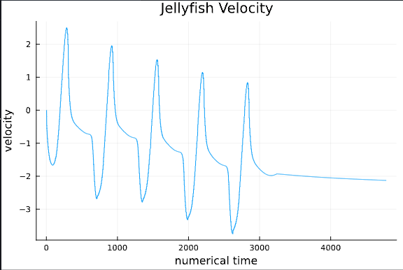
Velocity |  | Acceleration |  | Position |  | Reynolds Number
t | cm/s | t | cm/s^2 | t | cm | t | -
0.084507042254 | 0.71186440678 | 0.085106382979 | 9.3435943866 | 0 | 0 | 0.09133126935 | 67.647058824 | 95.028011204
0.16901408451 | 1.5762711864 | 0.19858156028 | 5.0641315829 | 0.084507042254 | 0.1 | 0.18018575851 | 111.76470588 | 70.904490829
0.25352112676 | 1.8305084746 | 0.25531914894 | 0.79674060661 | 0.16901408451 | 0.2 | 0.26656346749 | 132.35294118 | 72.303921569
0.33802816901 | 1.2711864407 | 0.34042553191 | -7.7320054323 | 0.25352112676 | 0.4 | 0.32631578947 | 100 | 78.666666667
0.39436619718 | 0.71186440678 | 0.39716312057 | 0.76656103818 | 0.33802816901 | 0.6 | 0.40712074303 | 67.647058824 | 95.028011204
0.50704225352 | 0.71186440678 | 0.48226950355 | 0.74845329712 | 0.42253521127 | 0.7 | 0.49133126935 | 67.647058824 | 95.028011204
0.59154929577 | 0.71186440678 | 0.59574468085 | 0.72430964237 | 0.50704225352 | 0.9 | 0.59659442724 | 67.647058824 | 95.028011204
0.64788732394 | 0.45762711864 | 0.6524822695 | -3.5430813339 | 0.59154929577 | 1 | 0.65758513932 | 47.058823529 | 102.83224401
0.7323943662 | 0.20338983051 | 0.73758865248 | 0.69413007394 | 0.7323943662 | 1.2 | 0.73931888545 | 23.529411765 | 115.68627451
0.81690140845 | 0.20338983051 | 0.82269503546 | 0.67602233288 | 0.92957746479 | 1.4 | 0.82352941176 | 23.529411765 | 115.68627451
0.9014084507 | 1.2711864407 | 0.90780141844 | 17.679191188 | 0.98591549296 | 1.6 | 0.91764705882 | 117.64705882 | 92.549019608
0.98591549296 | 2.8983050847 | 0.99290780142 | 9.1504451486 | 1.0704225352 | 1.8 | 1.0123839009 | 217.64705882 | 75.094599243
1.0704225352 | 2.6440677966 | 1.0780141844 | -12.995322167 | 1.2394366197 | 2.1 | 1.092879257 | 182.35294118 | 68.966817496 | 1280
1.1549295775 | 1.5254237288 | 1.1631205674 | -3.6517277803 | 1.4084507042 | 2.5 | 1.1696594427 | 111.76470588 | 73.267973856
1.2394366197 | 0.96610169492 | 1.2482269504 | -3.6698355214 | 1.5492957746 | 2.6 | 1.2510835913 | 85.294117647 | 88.286893705
1.323943662 | 0.71186440678 | 1.3333333333 | 0.56737588652 | 1.7464788732 | 2.9 | 1.3123839009 | 67.647058824 | 95.028011204
1.323943662 | 0.71186440678 | 1.4184397163 | 0.54926814547 | 1.8309859155 | 3 | 1.4179566563 | 70.588235294 | 99.159663866
1.4084507042 | 0.71186440678 | 1.5035460993 | -0.31990342538 | 1.9718309859 | 3.1 | 1.5018575851 | 67.647058824 | 95.028011204
1.4929577465 | 0.71186440678 | 1.5886524823 | -3.7422664856 | 2.0563380282 | 3.5 | 1.5839009288 | 47.058823529 | 66.106442577
1.5492957746 | 0.45762711864 | 1.6453900709 | 0.50098083597 | 2.2535211268 | 3.8 | 1.6445820433 | 23.529411765 | 51.416122004
1.6338028169 | 0.20338983051 | 1.7304964539 | 0.48287309491 | 2.4225352113 | 4.1 | 1.7077399381 | 23.529411765 | 115.68627451
1.7183098592 | 0.20338983051 | 1.8156028369 | 0.46476535386 | 2.6478873239 | 4.4 | 1.813003096 | 23.529411765 | 115.68627451
1.8309859155 | 0.20338983051 | 1.9007092199 | 0.4466576128 | 2.8732394366 | 4.6 | 1.8972136223 | 23.529411765 | 115.68627451
1.9436619718 | 0.20338983051 | 1.9858156028 | 26.811528595 | 2.9577464789 | 4.9 | 1.9962848297 | 164.70588235 | 809.80392157
1.9718309859 | 1.8305084746 | 2.0709219858 | -8.951259997 | 3.0985915493 | 5.2 | 2.0845201238 | 202.94117647 | 110.86601307
2.0845070423 | 2.8983050847 | 2.1560283688 | -3.8629847593 | 3.3521126761 | 5.5 | 2.1625386997 | 144.11764706 | 49.724802202
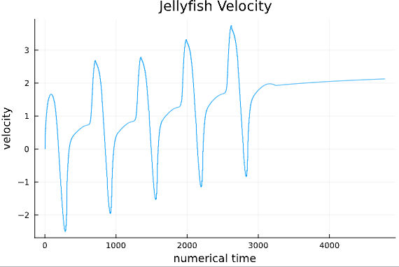
2.1408450704 | 2.0847457627 | 2.2411347518 | -8.9874754791 | 3.5492957746 | 5.7 | 2.2430340557 | 108.82352941 | 52.199904352
2.2253521127 | 1.2711864407 | 2.3262411348 | 0.3561189075 | 3.6338028169 | 5.9 | 2.3229102167 | 67.647058824 | 53.215686275
2.3098591549 | 0.71186440678 | 2.4113475177 | 0.33801116644 | 3.8028169014 | 6.3 | 2.407120743 | 67.647058824 | 95.028011204
2.3943661972 | 0.71186440678 | 2.4680851064 | -3.9293798099 | 3.9718309859 | 6.5 | 2.4891640867 | 47.058823529 | 66.106442577
2.4788732394 | 0.45762711864 | 2.5531914894 | 0.30783159801 |  |  | 2.5498452012 | 23.529411765 | 51.416122004
2.5352112676 | 0.20338983051 | 2.6382978723 | 0.28972385695 |  |  | 2.5919504644 | 23.529411765 | 115.68627451
2.6478873239 | 0.20338983051 | 2.7234042553 | 0.27161611589 |  |  | 2.6972136223 | 23.529411765 | 115.68627451
2.7323943662 | 0.20338983051 | 2.8368794326 | 0.24747246114 |  |  | 2.8024767802 | 23.529411765 | 115.68627451
2.8169014085 | 0.20338983051 | 2.9219858156 | 25.761279614 |  |  | 2.9015479876 | 164.70588235 | 809.80392157
2.9014084507 | 1.8305084746 | 3.0070921986 | -13.405764298 |  |  | 2.9876160991 | 182.35294118 | 99.618736383
2.985915493 | 2.6440677966 | 3.0921985816 | -9.1685528897 |  |  | 3.0619195046 | 88.235294118 | 33.371040724
3.0422535211 | 1.2711864407 | 3.1489361702 | 0.18107741059 |  |  | 3.1433436533 | 61.764705882 | 48.588235294
3.0985915493 | 0.71186440678 | 3.2340425532 | 0.16296966953 |  |  | 3.2284829721 | 70.588235294 | 99.159663866
3.2394366197 | 0.71186440678 | 3.3191489362 | -4.1104572205 |  |  | 3.3102167183 | 47.058823529 | 66.106442577
3.2957746479 | 0.45762711864 | 3.3758865248 | 0.1327901011 |  |  | 3.3708978328 | 23.529411765 | 51.416122004
3.3802816901 | 0.20338983051 | 3.5177304965 | 0.10261053267 |  |  | 3.4551083591 | 23.529411765 | 115.68627451
3.4929577465 | 0.20338983051 | 3.6028368794 | 12.850460238 |  |  | 3.546749226 | 94.117647059 | 462.74509804
3.5492957746 | 1.0169491525 | 3.6595744681 | 4.3277501132 |  |  | 3.6374613003 | 155.88235294 | 153.28431373
3.6338028169 | 2.0847457627 | 3.7446808511 | -9.3073789045 |  |  | 3.7393188854 | 123.52941176 | 59.253945481
3.7183098592 | 1.8305084746 | 3.829787234 | -4.2191036668 |  |  | 3.7972136223 | 73.529411765 | 40.168845316
3.8028169014 | 0.96610169492 | 3.8865248227 | 0.024143654746 |  |  | 3.8801857585 | 61.764705882 | 63.931888545
3.8873239437 | 0.71186440678

